Sheet1
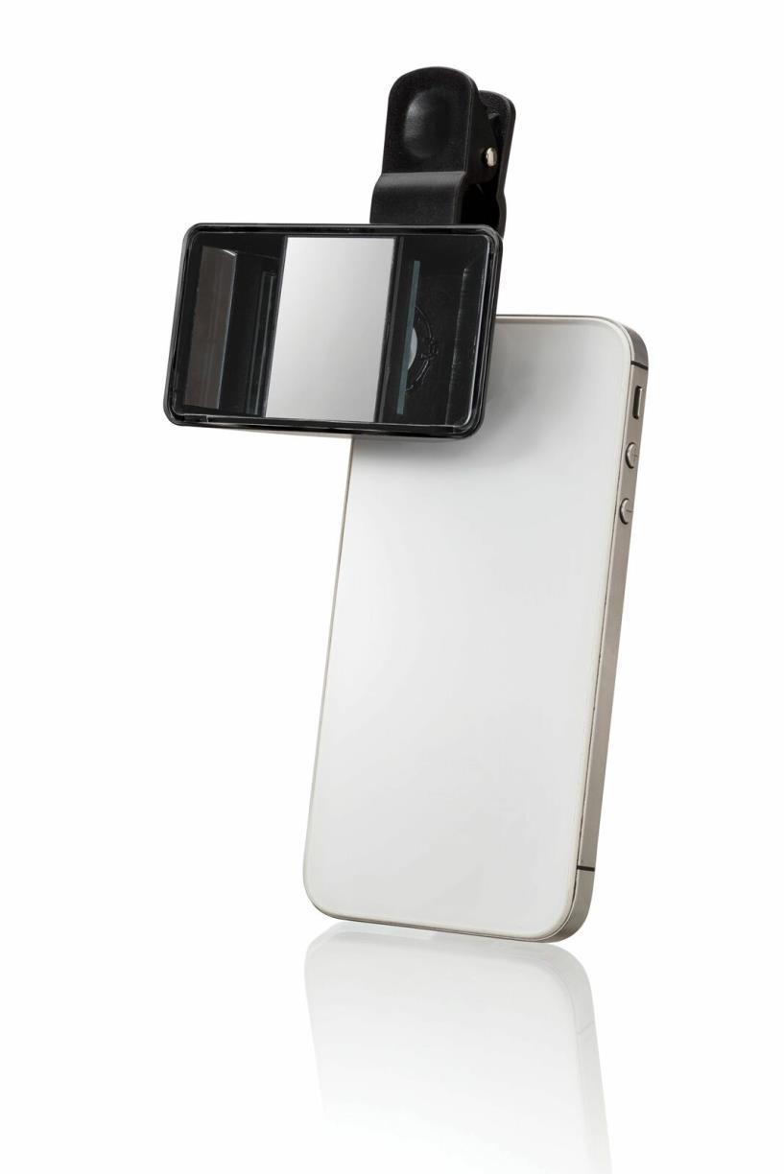
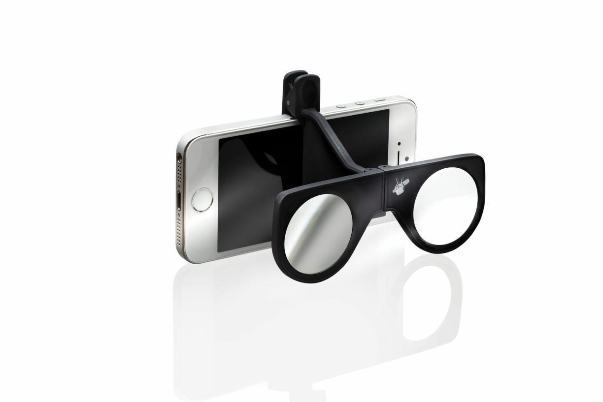
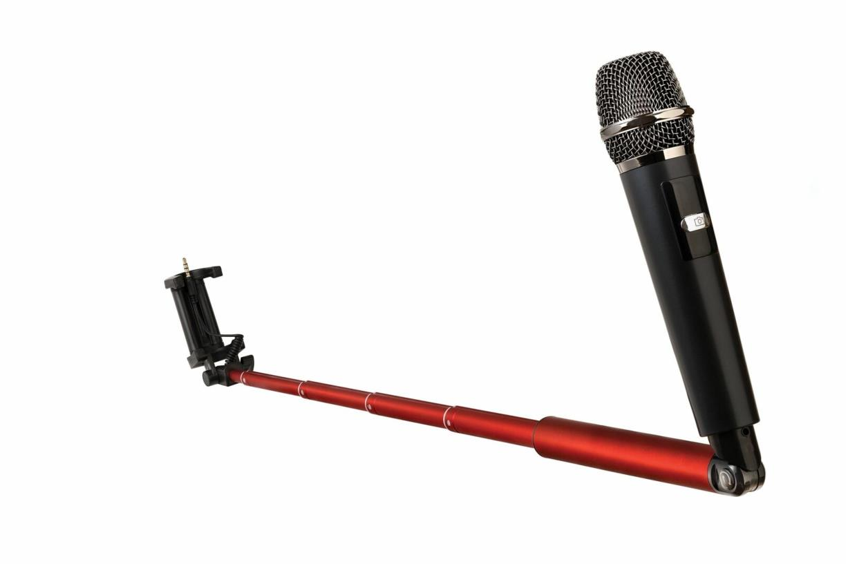
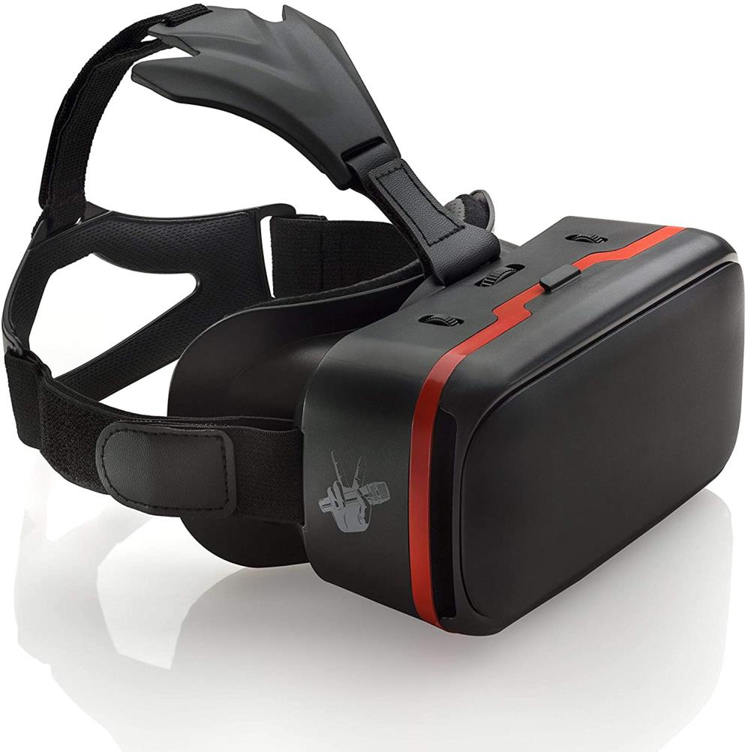
Picture | Item code | Description | Extra information | Restriction | Stock | Sales price EXW | Retail price | Barcode | Quantity PU | Quantity pallet | Pallet | Origin | Customs code | Item weight | Languages on package | Group
 | 18191 | The Voice, Clip-on 3D Lens | P503014 | Only sales in Scandinavia, Benelux & Germany | 86247 | 0.49 | 4.99 | 5054903623205 | 16 | 2304 | Europallet 120x80 | CN | 8528730000 | 50 |  | The Voice
 | 18190 | The Voice, Clip-on Mini VR Glasses | P503013 | Only sales in Scandinavia, Benelux & Germany | 19713 | 0.49 | 4.99 | 5054903623168 | 20 | 5040 | Europallet 120x80 | CN | 8528730000 | 55 |  | The Voice
 | 18185 | The Voice, Sing-a-long Selfie Stick, Including Microphone | P502390 | Only sales in Scandinavia, Benelux & Germany | 7246 | 4.5 | 49.99 | 5054903598206 | 6 | 288 | Europallet 120x80 | CN | 8518103090 | 450 |  | The Voice
 | 18187 | The Voice, Premium VR Headset | P504511 | Only sales in Scandinavia, Benelux & Germany | 4120 | 3.9 | 29.99 | 5054903683087 | 6 | 144 | Europallet 120x80 | CN | 9503008700 | 500 |  | The Voice

